2019
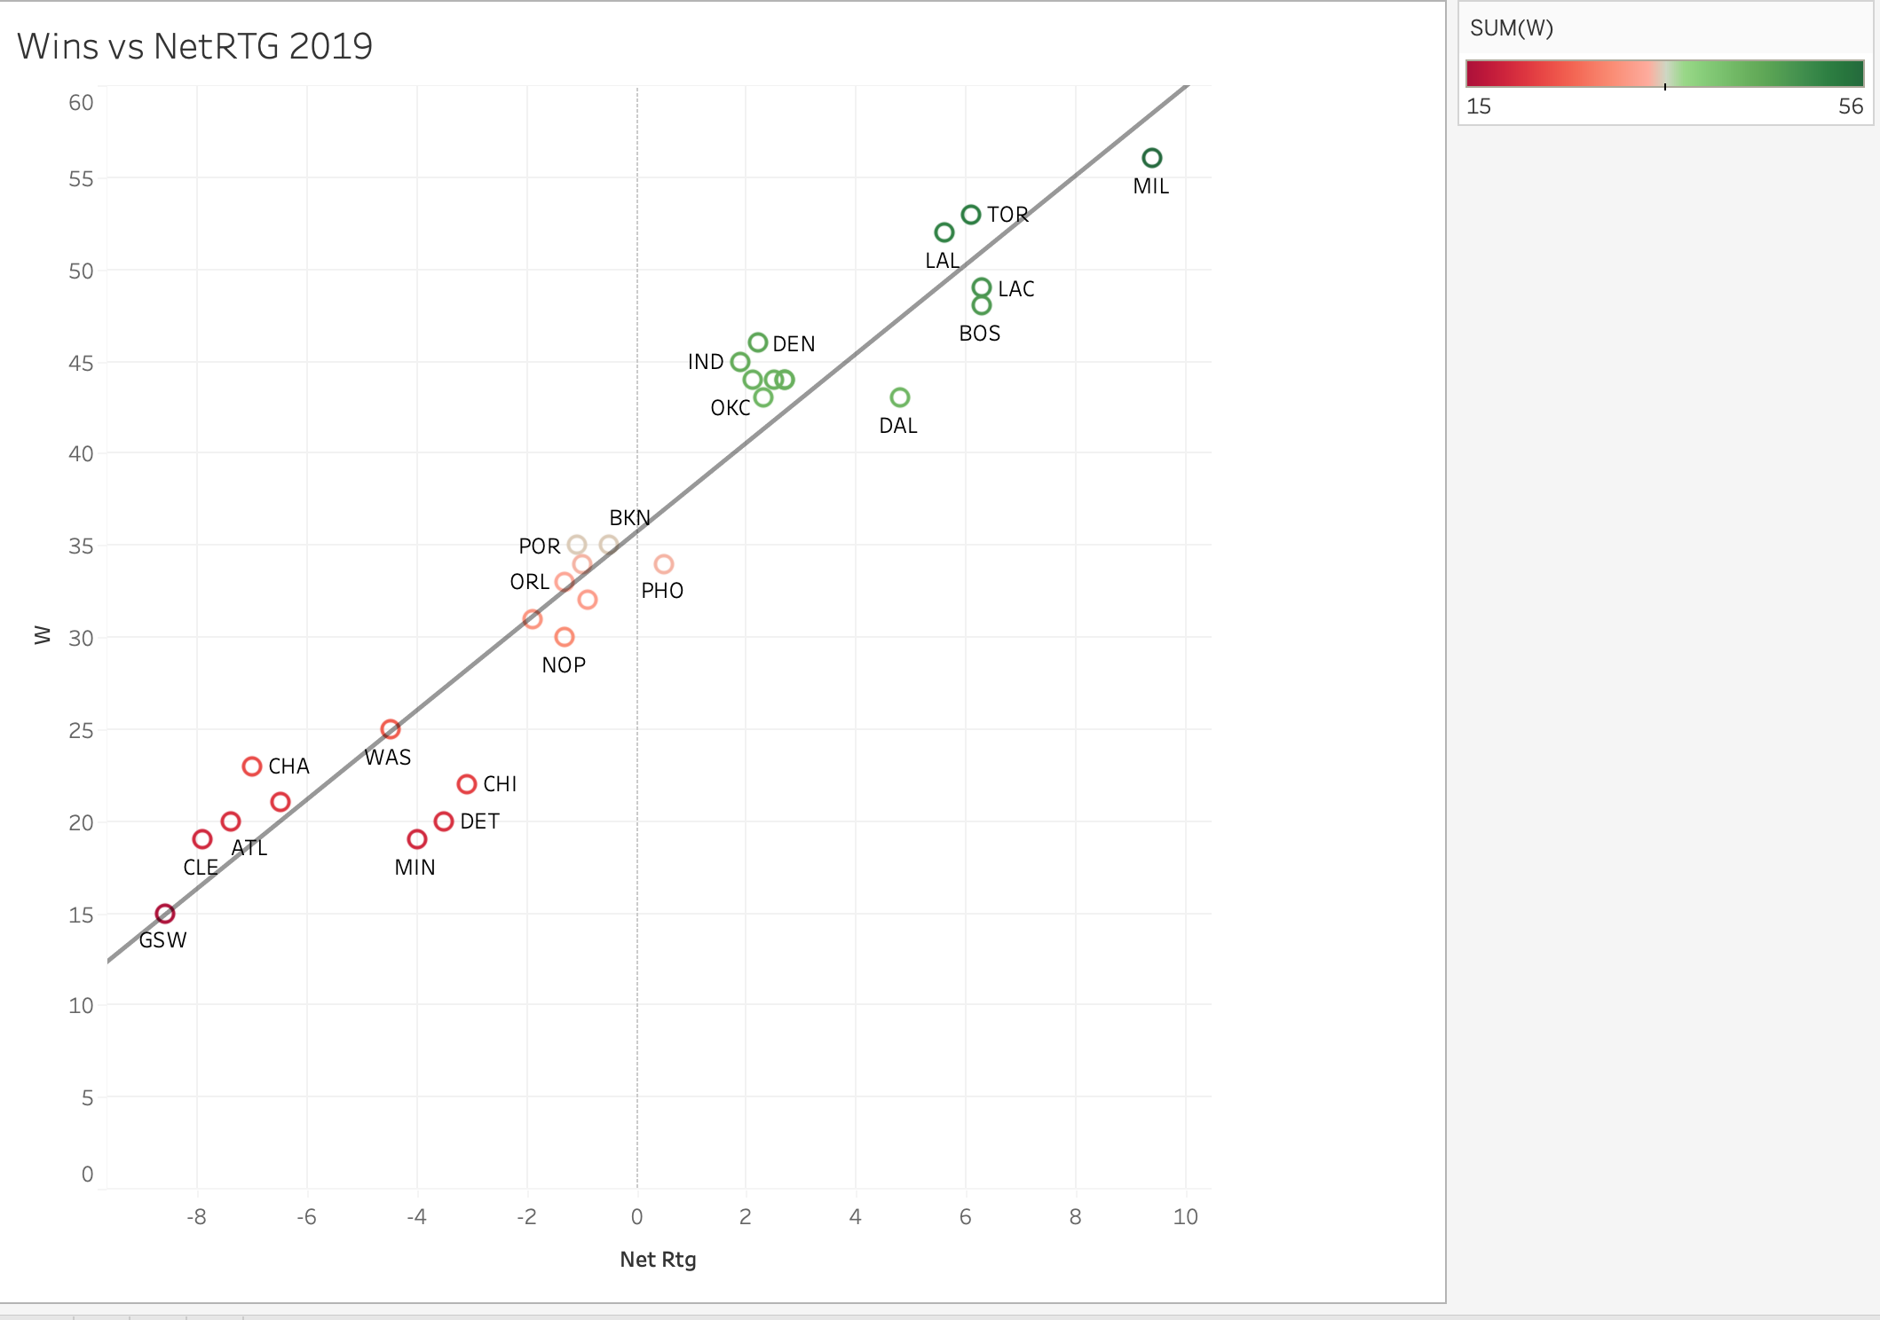
TEAM | GP | W | L | MIN | OffRtg | DefRtg | NetRtg | AST% | AST/TO | AST Ratio | OREB% | DREB% | REB% | TOV% | eFG% | TS% | PACE | PIE | POSS
ATL | 67 | 20 | 47 | 3256 | 107 | 114.4 | -7.4 | 58.9 | 1.48 | 16.9 | 26.7 | 70.8 | 48.4 | 15.5 | 51.5 | 55.4 | 103.28 | 45.4 | 6,999
BOS | 72 | 48 | 24 | 3486 | 112.8 | 106.5 | 6.3 | 55.7 | 1.66 | 16.7 | 28.3 | 73.1 | 50.9 | 13.7 | 53.1 | 57 | 99.92 | 53.1 | 7,255
BKN | 72 | 35 | 37 | 3496 | 108.7 | 109.2 | -0.5 | 60.6 | 1.6 | 17.3 | 28 | 73.6 | 51.1 | 14.8 | 52 | 55.4 | 101.7 | 50 | 7,404
CHA | 65 | 23 | 42 | 3150 | 105.9 | 112.8 | -7 | 63.9 | 1.63 | 17.7 | 28 | 70.6 | 48.6 | 15 | 50.4 | 53.9 | 96.24 | 45.5 | 6,317
CHI | 65 | 22 | 43 | 3135 | 105.8 | 108.9 | -3.1 | 58.7 | 1.5 | 16.9 | 26.7 | 71.9 | 48.1 | 15.3 | 51.5 | 54.7 | 100.46 | 46.6 | 6,563
CLE | 65 | 19 | 46 | 3145 | 106.9 | 114.8 | -7.9 | 57.3 | 1.4 | 16.8 | 29.6 | 73.8 | 51.2 | 16.5 | 52.2 | 55.3 | 99.17 | 45.3 | 6,497
DAL | 75 | 43 | 32 | 3635 | 115.9 | 111.2 | 4.8 | 59.2 | 1.94 | 17.7 | 27.5 | 74 | 50.9 | 12.6 | 54.5 | 58.1 | 99.89 | 52.1 | 7,569
DEN | 73 | 46 | 27 | 3549 | 112.6 | 110.4 | 2.2 | 63.6 | 1.94 | 19.1 | 29.4 | 72.5 | 50.9 | 13.9 | 53.5 | 56.7 | 97.64 | 51.7 | 7,217
DET | 66 | 20 | 46 | 3193 | 108.8 | 112.3 | -3.5 | 61.2 | 1.58 | 17.7 | 27.7 | 71.7 | 49.3 | 15.5 | 52.9 | 56.1 | 97.86 | 47.3 | 6,507
GSW | 65 | 15 | 50 | 3145 | 104.4 | 113 | -8.6 | 66.3 | 1.72 | 18.2 | 25.5 | 72.2 | 48.1 | 14.6 | 49.7 | 54 | 101.04 | 46.2 | 6,623
HOU | 72 | 44 | 28 | 3476 | 112.5 | 109.8 | 2.7 | 53 | 1.47 | 15.5 | 24.9 | 71.3 | 48 | 14 | 53.7 | 57.8 | 104.04 | 49.4 | 7,539
IND | 73 | 45 | 28 | 3524 | 109.5 | 107.5 | 1.9 | 61.4 | 1.95 | 18.9 | 24.3 | 71.8 | 48.7 | 13.2 | 53.4 | 56.5 | 99.41 | 52 | 7,299
LAC | 72 | 49 | 23 | 3476 | 113.3 | 106.9 | 6.3 | 57.1 | 1.63 | 16.9 | 27.8 | 73.7 | 51.5 | 14.2 | 53.5 | 57.7 | 102.16 | 53.2 | 7,396
LAL | 71 | 52 | 19 | 3418 | 111.7 | 106.1 | 5.6 | 60 | 1.67 | 18 | 28.3 | 73.7 | 51.2 | 14.9 | 54.2 | 57.3 | 101.2 | 53.9 | 7,211
MEM | 73 | 34 | 39 | 3514 | 108.7 | 109.7 | -1 | 63.3 | 1.77 | 18.7 | 27.1 | 73.3 | 50.6 | 14.7 | 52.8 | 56.1 | 103.31 | 50.7 | 7,562
MIA | 73 | 44 | 29 | 3549 | 111.9 | 109.3 | 2.7 | 65.7 | 1.74 | 18.8 | 25.7 | 75.3 | 51.2 | 14.9 | 54.7 | 58.7 | 98.7 | 52.5 | 7,306
MIL | 73 | 56 | 17 | 3519 | 111.9 | 102.5 | 9.4 | 59.8 | 1.71 | 18 | 24.1 | 77.5 | 52.4 | 14.2 | 55.2 | 58.3 | 105.51 | 56.2 | 7,739
MIN | 64 | 19 | 45 | 3112 | 107.6 | 111.6 | -4 | 59 | 1.55 | 16.7 | 26.4 | 73.1 | 48.8 | 14.6 | 51.4 | 55.1 | 103.94 | 47.2 | 6,736
NOP | 72 | 30 | 42 | 3486 | 110.5 | 111.8 | -1.3 | 63 | 1.64 | 18.4 | 28.7 | 72.9 | 50.8 | 15.6 | 53.9 | 56.8 | 103.89 | 49.5 | 7,548
NYK | 66 | 21 | 45 | 3193 | 105.9 | 112.4 | -6.5 | 55.2 | 1.54 | 16 | 30 | 74.2 | 51.3 | 14.3 | 50.1 | 53.1 | 99.11 | 46.1 | 6,594
OKC | 72 | 44 | 28 | 3486 | 110.1 | 108.1 | 2.1 | 54.3 | 1.58 | 16.3 | 24.1 | 72.8 | 49.2 | 13.7 | 53 | 57.3 | 99.42 | 51.9 | 7,218
ORL | 73 | 33 | 40 | 3514 | 107.9 | 109.2 | -1.3 | 60.8 | 1.86 | 17.5 | 26.7 | 74.9 | 50 | 12.9 | 50.6 | 54.4 | 98.99 | 49.6 | 7,255
PHI | 73 | 43 | 30 | 3519 | 110.7 | 108.4 | 2.3 | 62.8 | 1.82 | 18.5 | 28.1 | 75.3 | 51.6 | 14.2 | 53.4 | 56.6 | 99.59 | 52.3 | 7,304
PHO | 73 | 34 | 39 | 3519 | 111.3 | 110.8 | 0.5 | 66.1 | 1.84 | 19.2 | 26.1 | 73.4 | 49.8 | 14.5 | 53.2 | 57.6 | 101.74 | 51.2 | 7,449
POR | 74 | 35 | 39 | 3567 | 113.2 | 114.3 | -1.1 | 48.8 | 1.61 | 15.2 | 26.6 | 71.2 | 49.2 | 12.6 | 53.3 | 57 | 101.17 | 48.6 | 7,519
SAC | 72 | 31 | 41 | 3491 | 109.5 | 111.4 | -1.9 | 58.2 | 1.64 | 17.4 | 25.8 | 73.6 | 49.2 | 14.4 | 53.4 | 56.6 | 99.6 | 47.9 | 7,239
SAS | 71 | 32 | 39 | 3443 | 111.7 | 112.6 | -0.9 | 58.5 | 1.96 | 17.9 | 23.3 | 75.1 | 49.5 | 12.3 | 53.1 | 57.2 | 101.14 | 50.2 | 7,249
TOR | 72 | 53 | 19 | 3476 | 110.8 | 104.7 | 6.1 | 62.7 | 1.7 | 18.1 | 25.6 | 72.1 | 49.6 | 14.6 | 53.6 | 57.4 | 101.19 | 53 | 7,328
UTA | 72 | 44 | 28 | 3471 | 111.8 | 109.3 | 2.5 | 56 | 1.48 | 16.8 | 26.1 | 74.6 | 51.2 | 15.2 | 54.9 | 58.5 | 99.15 | 51.3 | 7,169
WAS | 72 | 25 | 47 | 3471 | 110.2 | 114.7 | -4.5 | 60.2 | 1.77 | 17.6 | 26.2 | 71.2 | 47.8 | 13.6 | 52.3 | 56.2 | 103.38 | 47.3 | 7,475

2020
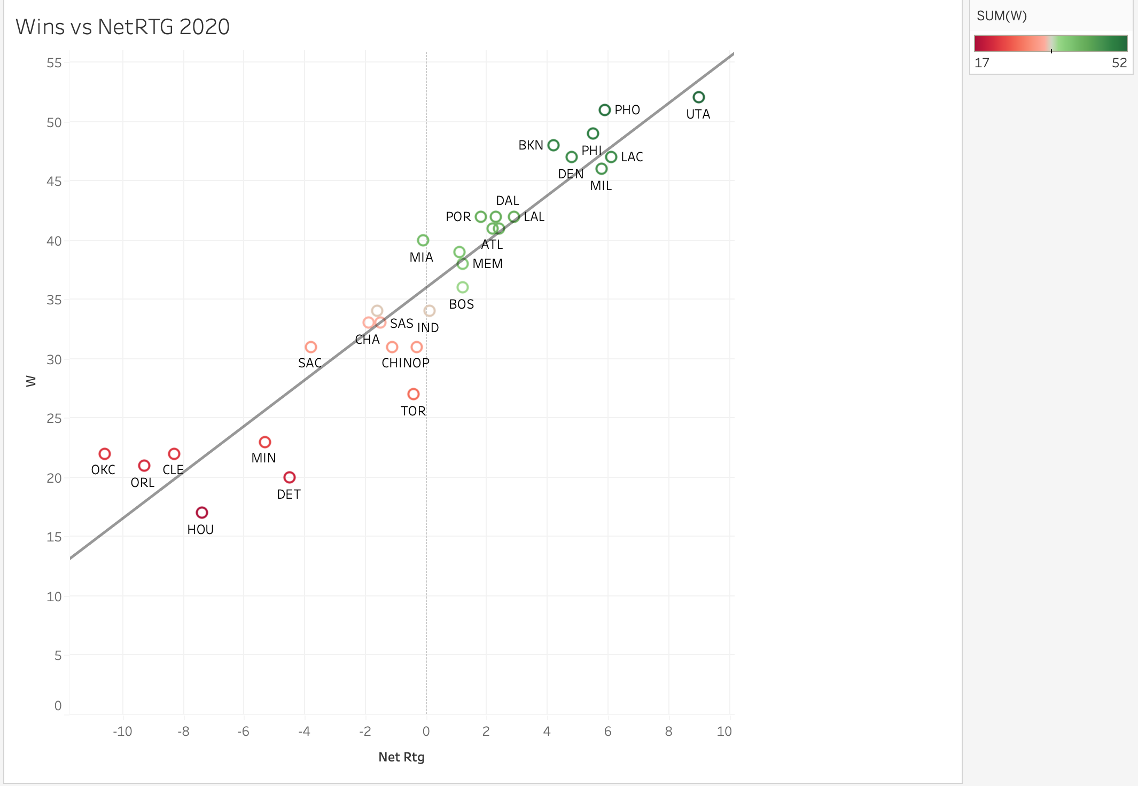
TEAM | GP | W | L | MIN | OffRtg | DefRtg | NetRtg | AST% | AST/TO | AST Ratio | OREB% | DREB% | REB% | TOV% | eFG% | TS% | PACE | PIE | POSS
ATL | 72 | 41 | 31 | 3481 | 114.3 | 112.1 | 2.2 | 59.1 | 1.82 | 17.6 | 28.4 | 74.2 | 51.6 | 13.3 | 53.9 | 58.1 | 98.68 | 51.1 | 7,160
BOS | 72 | 36 | 36 | 3476 | 113.1 | 111.8 | 1.2 | 56.6 | 1.67 | 17.1 | 28.9 | 73.7 | 51 | 14.1 | 54.3 | 57.4 | 98.94 | 50.1 | 7,172
BKN | 72 | 48 | 24 | 3481 | 117.3 | 113.1 | 4.2 | 62.1 | 1.98 | 19.3 | 25.2 | 72.6 | 50.3 | 13.4 | 57.5 | 61 | 100.27 | 53.2 | 7,280
CHA | 72 | 33 | 39 | 3471 | 110.1 | 112 | -1.9 | 67.2 | 1.81 | 19.2 | 27.6 | 72.2 | 49.6 | 14.9 | 53.2 | 56.4 | 99 | 48.9 | 7,159
CHI | 72 | 31 | 41 | 3476 | 110.4 | 111.5 | -1.1 | 63.5 | 1.77 | 19.2 | 26.7 | 76.7 | 51.9 | 15.1 | 54.7 | 57.5 | 99.58 | 49.9 | 7,220
CLE | 72 | 22 | 50 | 3486 | 105.2 | 113.5 | -8.3 | 61.8 | 1.54 | 17.5 | 28 | 72.9 | 49.9 | 15.7 | 50.8 | 54.3 | 97.96 | 46 | 7,107
DAL | 72 | 42 | 30 | 3461 | 114.6 | 112.3 | 2.3 | 55.7 | 1.9 | 17.2 | 25.3 | 73.4 | 49.6 | 12.3 | 55 | 58.2 | 97.94 | 51 | 7,062
DEN | 72 | 47 | 25 | 3496 | 116.3 | 111.5 | 4.8 | 62.1 | 1.99 | 19.3 | 29.2 | 75.1 | 52.2 | 13.6 | 55.7 | 58.8 | 97.74 | 52.5 | 7,123
DET | 72 | 20 | 52 | 3486 | 107.6 | 112.2 | -4.5 | 62.6 | 1.62 | 17.8 | 26.7 | 72.5 | 49.3 | 15.1 | 51.9 | 55.6 | 98.19 | 47.3 | 7,132
GSW | 72 | 39 | 33 | 3461 | 110.5 | 109.4 | 1.1 | 67 | 1.84 | 19.6 | 22.2 | 72.7 | 48 | 14.6 | 55.1 | 58.3 | 102.81 | 51 | 7,412
HOU | 72 | 17 | 55 | 3461 | 107 | 114.4 | -7.4 | 60.1 | 1.6 | 17.2 | 24 | 72.3 | 47.4 | 14.5 | 52.1 | 55.3 | 101.69 | 45.1 | 7,320
IND | 72 | 34 | 38 | 3491 | 111.9 | 111.9 | 0.1 | 63.3 | 2.02 | 19.2 | 24.7 | 70.1 | 47.6 | 13.1 | 54.2 | 57.5 | 102.05 | 50.2 | 7,419
LAC | 72 | 47 | 25 | 3456 | 116.7 | 110.6 | 6.1 | 58.4 | 1.85 | 18.1 | 27 | 75.4 | 51.8 | 13.5 | 56.4 | 59.9 | 97.63 | 53 | 7,036
LAL | 72 | 42 | 30 | 3491 | 109.8 | 106.8 | 2.9 | 60.7 | 1.62 | 18 | 26.9 | 74.8 | 51.1 | 15.2 | 53.6 | 56.9 | 98.85 | 51.7 | 7,184
MEM | 72 | 38 | 34 | 3481 | 111.7 | 110.5 | 1.2 | 62.8 | 2.03 | 18.9 | 28.5 | 73.6 | 50.7 | 13.1 | 52.8 | 56 | 100.77 | 51.1 | 7,302
MIA | 72 | 40 | 32 | 3476 | 110.6 | 110.7 | -0.1 | 67.1 | 1.87 | 19.5 | 24 | 73.3 | 49.1 | 14.4 | 54.6 | 58.1 | 97.09 | 50.9 | 7,036
MIL | 72 | 46 | 26 | 3466 | 116.5 | 110.7 | 5.8 | 56.9 | 1.84 | 18 | 26.9 | 75.5 | 51.9 | 13.4 | 56.6 | 59.3 | 102.85 | 53.3 | 7,423
MIN | 72 | 23 | 49 | 3481 | 109.3 | 114.5 | -5.3 | 63 | 1.8 | 18 | 27.1 | 71.7 | 48.4 | 13.9 | 52 | 55.5 | 101.96 | 46.9 | 7,389
NOP | 72 | 31 | 41 | 3486 | 113 | 113.3 | -0.3 | 61.2 | 1.78 | 18.3 | 30.2 | 75.5 | 52.7 | 14.4 | 53.7 | 57 | 100.54 | 50.8 | 7,303
NYK | 72 | 41 | 31 | 3486 | 110.2 | 107.8 | 2.4 | 54.3 | 1.65 | 16.3 | 26.4 | 73.8 | 50.5 | 13.3 | 52.4 | 55.9 | 96.32 | 50.2 | 6,994
OKC | 72 | 22 | 50 | 3471 | 102.8 | 113.4 | -10.6 | 56.8 | 1.37 | 16.1 | 25.4 | 74.2 | 49.4 | 15.8 | 50.9 | 53.9 | 101.61 | 44.2 | 7,353
ORL | 72 | 21 | 51 | 3466 | 104.6 | 113.9 | -9.3 | 57 | 1.7 | 16.3 | 25.2 | 74.4 | 48.8 | 12.9 | 49 | 52.7 | 99.17 | 45 | 7,158
PHI | 72 | 49 | 23 | 3486 | 112.5 | 107 | 5.5 | 57.2 | 1.64 | 17.2 | 27.7 | 73.7 | 51.1 | 14.3 | 54.1 | 57.9 | 100.12 | 53.6 | 7,272
PHO | 72 | 51 | 21 | 3496 | 116.3 | 110.4 | 5.9 | 62.2 | 2.15 | 19.6 | 24.8 | 74.1 | 50 | 12.6 | 56.4 | 59.7 | 98 | 53.4 | 7,137
POR | 72 | 42 | 30 | 3461 | 117.1 | 115.3 | 1.8 | 51.5 | 1.92 | 15.9 | 27.3 | 73.1 | 49.5 | 11.2 | 54 | 57.7 | 98.97 | 49.3 | 7,137
SAC | 72 | 31 | 41 | 3461 | 112.7 | 116.5 | -3.8 | 59.9 | 1.91 | 18.4 | 25.3 | 71.3 | 48.2 | 13.3 | 54.9 | 57.8 | 100.71 | 48.1 | 7,266
SAS | 72 | 33 | 39 | 3496 | 110.5 | 112 | -1.5 | 58.4 | 2.14 | 17.9 | 24.3 | 73.3 | 48.5 | 11.3 | 51.7 | 55.4 | 99.45 | 49.3 | 7,236
TOR | 72 | 27 | 45 | 3461 | 111.6 | 112 | -0.4 | 60.7 | 1.82 | 17.7 | 25.6 | 71.6 | 47.9 | 13.3 | 52.9 | 56.7 | 99.57 | 48.6 | 7,177
UTA | 72 | 52 | 20 | 3471 | 116.5 | 107.5 | 9 | 57.3 | 1.66 | 17.3 | 28.4 | 75.7 | 52.9 | 14.2 | 56.3 | 59.7 | 99.37 | 54.2 | 7,193
WAS | 72 | 34 | 38 | 3481 | 110.7 | 112.3 | -1.6 | 59 | 1.77 | 17.8 | 25 | 73.6 | 49.4 | 13.7 | 53.1 | 56.9 | 104.67 | 49.6 | 7,585

2021
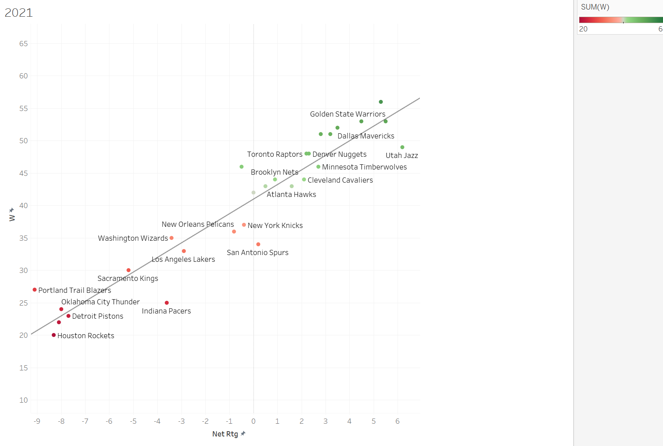
TEAM | GP | W | L | MIN | OffRtg | DefRtg | NetRtg | AST% | AST/TO | AST | OREB% | DREB% | REB% | TOV% | eFG% | TS% | PACE | PIE | POSS
ATL | 82 | 43 | 39 | 3941 | 115.4 | 113.7 | 1.6 | 59.3 | 2.08 | 18.1 | 26.9 | 73.1 | 50.1 | 12 | 54.3 | 58.1 | 98.67 | 50.9 | 8,099
BOS | 82 | 51 | 31 | 3981 | 113.6 | 106.2 | 7.4 | 60.9 | 1.82 | 18.2 | 27.7 | 72.5 | 50.9 | 13.9 | 54.2 | 57.8 | 97.26 | 54.7 | 8,068
BKN | 82 | 44 | 38 | 3951 | 113.2 | 112.3 | 0.9 | 60.2 | 1.8 | 18.3 | 28.1 | 70.4 | 49.9 | 14.1 | 54 | 57.6 | 99.4 | 51.2 | 8,177
CHA | 82 | 43 | 39 | 3976 | 113.6 | 113.1 | 0.5 | 65.6 | 2.12 | 19.6 | 27 | 70.6 | 48.6 | 13.1 | 54.4 | 57.2 | 100.52 | 50.4 | 8,322
CHI | 82 | 46 | 36 | 3946 | 112.7 | 113.2 | -0.5 | 57.2 | 1.86 | 17.8 | 24.9 | 73.5 | 49.5 | 13 | 54.1 | 57.9 | 98.76 | 49.6 | 8,124
CLE | 82 | 44 | 38 | 3946 | 111 | 108.9 | 2.1 | 63.4 | 1.75 | 18.7 | 27.7 | 72.4 | 50.6 | 14.8 | 53.8 | 57.1 | 96.83 | 51.7 | 7,964
DAL | 82 | 52 | 30 | 3951 | 112.5 | 109.1 | 3.5 | 59.5 | 1.87 | 17.8 | 25.6 | 73.3 | 49.6 | 13 | 53.8 | 57.2 | 95.64 | 51.1 | 7,871
DEN | 82 | 48 | 34 | 3961 | 113.8 | 111.5 | 2.3 | 66.7 | 1.92 | 20 | 26.8 | 75.2 | 51.5 | 14.6 | 55.6 | 59 | 98.41 | 51.6 | 8,123
DET | 82 | 23 | 59 | 3956 | 105.6 | 113.3 | -7.7 | 61.5 | 1.65 | 17.1 | 27.6 | 70.7 | 48.1 | 14.3 | 49.4 | 53.3 | 98.81 | 45 | 8,141
GSW | 82 | 53 | 29 | 3946 | 112.1 | 106.6 | 5.5 | 66.9 | 1.82 | 19.5 | 26.9 | 73.6 | 51 | 15 | 55.2 | 58.2 | 98.74 | 53.6 | 8,121
HOU | 82 | 20 | 62 | 3951 | 108.1 | 116.4 | -8.3 | 59.8 | 1.43 | 17.1 | 26.5 | 71 | 48.5 | 16.2 | 53.4 | 56.5 | 101.16 | 45.1 | 8,323
IND | 82 | 25 | 57 | 3976 | 111.9 | 115.5 | -3.6 | 61.2 | 1.76 | 18.1 | 31 | 72.5 | 51.2 | 14.5 | 53.1 | 56.4 | 98.55 | 47.8 | 8,166
LAC | 82 | 42 | 40 | 3956 | 109.5 | 109.5 | 0 | 59.9 | 1.75 | 17.7 | 25.4 | 70.6 | 48.6 | 13.9 | 53.1 | 56.4 | 98.51 | 50.2 | 8,121
LAL | 82 | 33 | 49 | 3996 | 110 | 112.8 | -2.9 | 57.6 | 1.65 | 17.3 | 25.6 | 72 | 49 | 14.2 | 53.7 | 56.7 | 100.47 | 48.2 | 8,360
MEM | 82 | 56 | 26 | 3956 | 114.3 | 108.9 | 5.3 | 59.7 | 1.97 | 17.9 | 33.8 | 72.6 | 52.6 | 13 | 52.2 | 55.3 | 100.52 | 53 | 8,295
MIA | 82 | 53 | 29 | 3971 | 113 | 108.4 | 4.5 | 64.4 | 1.75 | 18.8 | 27.8 | 73.5 | 51 | 14.9 | 54.7 | 58.4 | 96.53 | 52.9 | 7,987
MIL | 82 | 51 | 31 | 3951 | 114.3 | 111.1 | 3.2 | 57.2 | 1.78 | 17.3 | 26.9 | 74.7 | 51.2 | 13.3 | 54.6 | 58 | 100.59 | 51.6 | 8,284
MIN | 82 | 46 | 36 | 3956 | 113.8 | 111 | 2.7 | 61.7 | 1.79 | 18.1 | 28.4 | 70.6 | 49 | 14.1 | 53.9 | 57.3 | 101.47 | 50.4 | 8,357
NOP | 82 | 36 | 46 | 3951 | 111.2 | 112 | -0.8 | 62.1 | 1.78 | 18.1 | 30.6 | 74.2 | 51.8 | 14.3 | 51.7 | 55.7 | 98.02 | 50 | 8,060
NYK | 82 | 37 | 45 | 3956 | 109.7 | 110.2 | -0.4 | 58.1 | 1.65 | 16.4 | 29.1 | 74 | 51.2 | 13.7 | 51.3 | 55 | 96.42 | 49.1 | 7,958
OKC | 82 | 24 | 58 | 3961 | 103.8 | 111.7 | -8 | 58 | 1.59 | 16.4 | 25.6 | 72.7 | 48.7 | 14 | 49.7 | 53 | 99.39 | 45.1 | 8,198
ORL | 82 | 22 | 60 | 3956 | 103.9 | 112.1 | -8.1 | 62 | 1.64 | 17.4 | 24.9 | 73.5 | 49 | 14.4 | 50.3 | 53.8 | 99.71 | 45.8 | 8,223
PHI | 82 | 51 | 31 | 3961 | 113 | 110.2 | 2.8 | 60.2 | 1.89 | 17.9 | 24.6 | 72.4 | 49 | 12.9 | 53.4 | 57.8 | 96.71 | 51.7 | 7,975
PHO | 82 | 64 | 18 | 3946 | 114.2 | 106.8 | 7.5 | 62.7 | 2.12 | 19.5 | 26.4 | 72.8 | 50.3 | 12.9 | 54.9 | 58.1 | 100.26 | 54.8 | 8,242
POR | 82 | 27 | 55 | 3946 | 107.3 | 116.3 | -9.1 | 59.5 | 1.58 | 17 | 26.8 | 72.1 | 48.7 | 14.6 | 51.5 | 55 | 98.74 | 44.7 | 8,120
SAC | 82 | 30 | 52 | 3961 | 109.6 | 114.8 | -5.2 | 58.5 | 1.68 | 17.3 | 25.9 | 71.4 | 48.4 | 14 | 52.5 | 56.1 | 100.1 | 47.3 | 8,252
SAS | 82 | 34 | 48 | 3961 | 111.9 | 111.7 | 0.2 | 64.6 | 2.19 | 19.5 | 28.1 | 71.1 | 49.4 | 12.6 | 52.7 | 55.6 | 100.51 | 51 | 8,290
TOR | 82 | 48 | 34 | 3971 | 112.1 | 109.9 | 2.2 | 54.3 | 1.77 | 16.1 | 32.5 | 71.4 | 50.8 | 12.8 | 51 | 54.3 | 96.63 | 49.4 | 8,000
UTA | 82 | 49 | 33 | 3946 | 116.2 | 110 | 6.2 | 55.2 | 1.6 | 16.7 | 30 | 73.8 | 52.5 | 14.3 | 55.5 | 58.9 | 97.5 | 52.8 | 8,014
WAS | 82 | 35 | 47 | 3966 | 110.2 | 113.6 | -3.4 | 61.7 | 1.91 | 18.5 | 24.7 | 73.1 | 49.4 | 13.3 | 53.2 | 56.8 | 97.8 | 49.6 | 8,079

2022
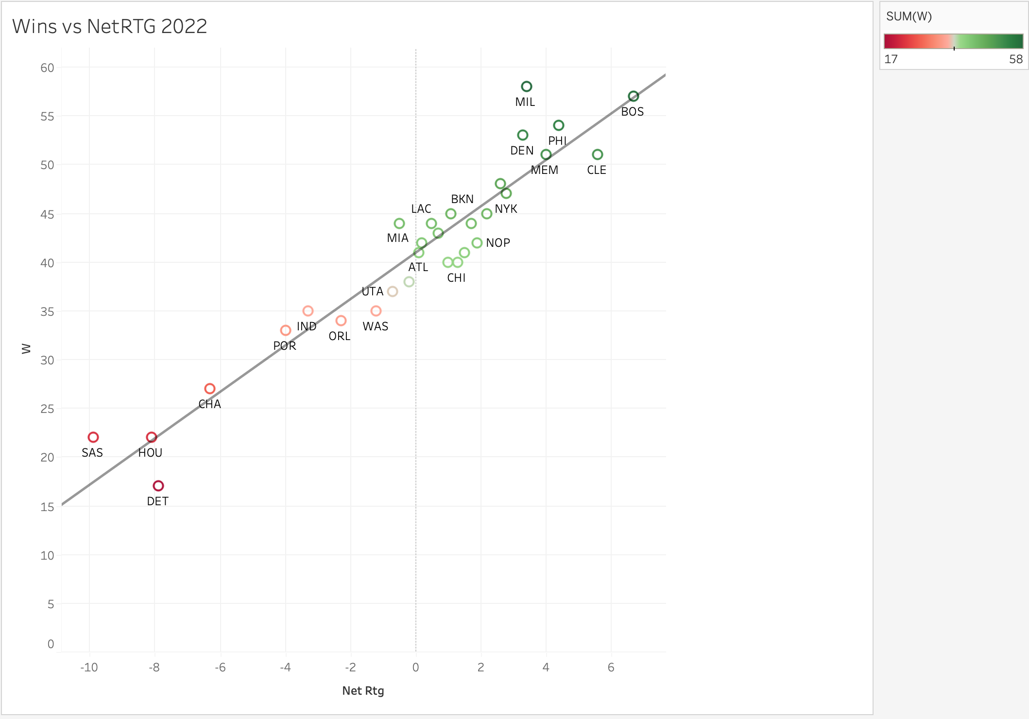
TEAM | GP | W | L | MIN | OffRtg | DefRtg | NetRtg | AST% | AST/TO | AST | OREB% | DREB% | REB% | TOV% | eFG% | TS% | PACE | PIE | POSS
ATL | 82 | 41 | 41 | 3971 | 115.5 | 115.4 | 0.1 | 56 | 1.93 | 17.6 | 28.9 | 71.7 | 50 | 12.6 | 54.1 | 57.9 | 101.56 | 50 | 8,407
BOS | 82 | 57 | 25 | 3996 | 117.3 | 110.6 | 6.7 | 63.2 | 2 | 19.1 | 25.5 | 74.6 | 50.6 | 13.3 | 56.6 | 60 | 99.15 | 53.4 | 8,247
BKN | 82 | 45 | 37 | 3946 | 114.6 | 113.5 | 1.1 | 61.6 | 1.86 | 18.9 | 23.4 | 68.9 | 47.2 | 13.9 | 56.2 | 59.8 | 98.77 | 51 | 8,111
CHA | 82 | 27 | 55 | 3966 | 108.4 | 114.7 | -6.3 | 60.9 | 1.77 | 17.8 | 27.6 | 71.7 | 49.1 | 13.9 | 51.6 | 55.1 | 101.47 | 47.3 | 8,390
CHI | 82 | 40 | 42 | 3981 | 112.8 | 111.5 | 1.3 | 57.5 | 1.83 | 18.1 | 23.6 | 73.6 | 49.3 | 13.3 | 55 | 58.7 | 99.18 | 51.2 | 8,225
CLE | 82 | 51 | 31 | 3976 | 115.5 | 109.9 | 5.6 | 60 | 1.87 | 18.6 | 27.3 | 71.5 | 49.6 | 13.7 | 55.6 | 59 | 96.27 | 53.1 | 7,972
DAL | 82 | 38 | 44 | 3986 | 115.9 | 116.1 | -0.2 | 57.3 | 1.88 | 17.4 | 22.6 | 71.7 | 47.1 | 12.4 | 56.5 | 59.9 | 97.21 | 48.7 | 8,082
DEN | 82 | 53 | 29 | 3951 | 116.8 | 113.5 | 3.3 | 66.3 | 1.99 | 20.5 | 28.9 | 72.7 | 51.4 | 14.7 | 57.3 | 60.1 | 98.74 | 52.5 | 8,129
DET | 82 | 17 | 65 | 3961 | 109.9 | 117.8 | -7.9 | 58.1 | 1.52 | 16.7 | 29.2 | 70.2 | 49.1 | 15 | 52 | 56.1 | 99.88 | 44.9 | 8,231
GSW | 82 | 44 | 38 | 3966 | 115.1 | 113.4 | 1.7 | 69.1 | 1.83 | 20.4 | 27.7 | 71.9 | 50.2 | 15.8 | 57.1 | 60 | 102.54 | 51 | 8,472
HOU | 82 | 22 | 60 | 3951 | 110.5 | 118.6 | -8.1 | 55.1 | 1.38 | 16 | 34.4 | 72.9 | 53 | 16.2 | 51.6 | 55.4 | 99.74 | 45.7 | 8,220
IND | 82 | 35 | 47 | 3951 | 113.8 | 117.1 | -3.3 | 64.3 | 1.81 | 18.9 | 28.5 | 68.5 | 48.2 | 14.6 | 54.5 | 58.1 | 101.68 | 48.2 | 8,377
LAC | 82 | 44 | 38 | 3966 | 114 | 113.6 | 0.5 | 58.1 | 1.68 | 17.5 | 27.3 | 73.1 | 50.5 | 14.3 | 55.1 | 58.8 | 98.84 | 49.8 | 8,168
LAL | 82 | 43 | 39 | 3976 | 113.9 | 113.2 | 0.7 | 58.9 | 1.8 | 17.9 | 26.9 | 72.7 | 50.5 | 13.7 | 54.2 | 58.2 | 101.92 | 51.1 | 8,436
MEM | 82 | 51 | 31 | 3956 | 114.7 | 110.7 | 4 | 59.6 | 1.91 | 18.2 | 30.2 | 71.1 | 50.7 | 13.3 | 54 | 57 | 101.5 | 51.9 | 8,360
MIA | 82 | 44 | 38 | 3961 | 112.3 | 112.8 | -0.5 | 60.8 | 1.77 | 17.8 | 27.4 | 73.3 | 49.8 | 13.8 | 53 | 57.4 | 96.76 | 49.6 | 7,991
MIL | 82 | 58 | 24 | 3966 | 114.3 | 110.9 | 3.4 | 60.4 | 1.76 | 18.1 | 28.4 | 74.5 | 52.1 | 14.3 | 55.5 | 58.3 | 101.45 | 52.3 | 8,389
MIN | 82 | 42 | 40 | 3966 | 113.3 | 113.1 | 0.2 | 61 | 1.71 | 18.6 | 25.8 | 70.3 | 48.5 | 15 | 56 | 59.2 | 101.55 | 50.3 | 8,383
NOP | 82 | 42 | 40 | 3971 | 113.8 | 112 | 1.9 | 61.6 | 1.77 | 18.5 | 29 | 73.2 | 51.2 | 14.5 | 54.3 | 58.2 | 99.58 | 51.4 | 8,239
NYK | 82 | 47 | 35 | 3991 | 117 | 114.2 | 2.8 | 54.6 | 1.77 | 16.6 | 31.8 | 72.7 | 52.1 | 13.1 | 54.1 | 57.7 | 97.75 | 50.9 | 8,134
OKC | 82 | 40 | 42 | 3971 | 114.2 | 113.2 | 1 | 56.7 | 1.87 | 17.2 | 28.9 | 69.3 | 48.7 | 12.7 | 53.1 | 57 | 101.94 | 49.8 | 8,435
ORL | 82 | 34 | 48 | 3956 | 111.3 | 113.7 | -2.3 | 57.4 | 1.54 | 17 | 28.1 | 73 | 50.5 | 15.1 | 53.2 | 57.3 | 99.66 | 48.5 | 8,205
PHI | 82 | 54 | 28 | 3976 | 117 | 112.7 | 4.4 | 61.6 | 1.84 | 18.6 | 25.8 | 72.1 | 49.6 | 13.9 | 56.3 | 60.8 | 97.44 | 52.4 | 8,072
PHO | 82 | 45 | 37 | 3956 | 114.5 | 112.3 | 2.2 | 64.7 | 2.01 | 19.3 | 30.7 | 71.4 | 50.8 | 13.6 | 53.5 | 57 | 98.83 | 51.4 | 8,141
POR | 82 | 33 | 49 | 3946 | 114 | 118 | -4 | 59.7 | 1.67 | 17.8 | 26.4 | 70.9 | 48.6 | 14.5 | 54.9 | 58.9 | 99.25 | 47.4 | 8,157
SAC | 82 | 48 | 34 | 3966 | 118.6 | 116 | 2.6 | 62.6 | 2.02 | 19.3 | 26.5 | 73.1 | 49.9 | 13.3 | 57.2 | 60.8 | 100.99 | 51.1 | 8,343
SAS | 82 | 22 | 60 | 3971 | 109.7 | 119.6 | -9.9 | 63.2 | 1.78 | 18.7 | 29.9 | 70.9 | 49.5 | 14.8 | 52.5 | 55.4 | 102.07 | 45.2 | 8,451
TOR | 82 | 41 | 41 | 3961 | 114.6 | 113.1 | 1.5 | 57.1 | 2.05 | 17.2 | 31.6 | 72.1 | 50.2 | 11.8 | 51.7 | 55.5 | 97.85 | 49.6 | 8,076
UTA | 82 | 37 | 45 | 3961 | 115.3 | 116 | -0.7 | 61.1 | 1.69 | 18.2 | 30.8 | 71.1 | 51.2 | 15.1 | 54.7 | 58.4 | 101.02 | 49.8 | 8,329
WAS | 82 | 35 | 47 | 3951 | 113.7 | 114.9 | -1.2 | 60.3 | 1.8 | 18.5 | 27.3 | 72.4 | 50.5 | 14.2 | 55 | 58.5 | 99.16 | 50.4 | 8,161

2023
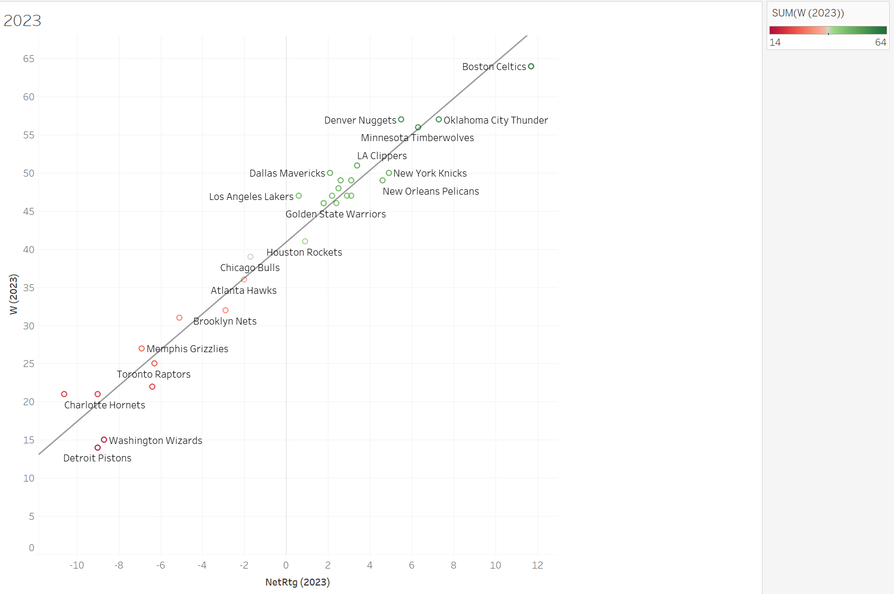
TEAM | GP | W | L | MIN | OffRtg | DefRtg | NetRtg | AST% | AST/TO | AST | OREB% | DREB% | REB% | TOV% | eFG% | TS% | PACE | PIE | POSS
ATL | 82 | 36 | 46 | 3971 | 116.4 | 118.4 | -2 | 61.8 | 1.96 | 18.4 | 30.8 | 71.7 | 50.4 | 13.3 | 53.9 | 57.6 | 100.84 | 48.2 | 8,339
BOS | 82 | 64 | 18 | 3966 | 122.2 | 110.6 | 11.7 | 61.3 | 2.25 | 19.3 | 28.7 | 72.6 | 51.5 | 12.1 | 57.8 | 60.9 | 97.98 | 55.5 | 8,090
BKN | 82 | 32 | 50 | 3961 | 112.4 | 115.4 | -2.9 | 63 | 1.95 | 18.6 | 28.9 | 71.5 | 49.7 | 13.4 | 53.1 | 56.1 | 97.56 | 48.3 | 8,050
CHA | 82 | 21 | 61 | 3946 | 108.6 | 119.2 | -10.6 | 62 | 1.8 | 18.4 | 25.3 | 70.9 | 47.5 | 14 | 52.9 | 56 | 97.82 | 44.7 | 8,048
CHI | 82 | 39 | 43 | 3996 | 114 | 115.7 | -1.7 | 59.4 | 2.04 | 18.2 | 29.1 | 71.7 | 50.1 | 12.4 | 53.4 | 56.8 | 96.94 | 49.3 | 8,078
CLE | 82 | 48 | 34 | 3961 | 114.7 | 112.1 | 2.5 | 67.1 | 2.07 | 20.2 | 27.4 | 72.1 | 50.1 | 13.8 | 55.7 | 58.6 | 97.62 | 51.9 | 8,053
DAL | 82 | 50 | 32 | 3941 | 117 | 114.9 | 2.1 | 59.6 | 2.05 | 18.5 | 25.7 | 71.1 | 48.5 | 12.4 | 56.2 | 59.2 | 100.6 | 50.6 | 8,263
DEN | 82 | 57 | 25 | 3941 | 117.8 | 112.3 | 5.5 | 66.9 | 2.33 | 20.9 | 30 | 71.8 | 51.5 | 13 | 56.2 | 58.9 | 97.43 | 53.3 | 7,996
DET | 82 | 14 | 68 | 3951 | 109 | 118 | -9 | 62.3 | 1.67 | 18.2 | 27.7 | 73 | 49.9 | 15.1 | 52.6 | 56.2 | 100.45 | 44.9 | 8,269
GSW | 82 | 46 | 36 | 3966 | 116.9 | 114.5 | 2.4 | 67.1 | 2.05 | 20.1 | 31.5 | 72.5 | 52.1 | 14.2 | 55.7 | 58.6 | 99.91 | 51.2 | 8,261
HOU | 82 | 41 | 41 | 3971 | 113.7 | 112.8 | 0.9 | 59.4 | 1.95 | 17.7 | 29.4 | 72.2 | 50.4 | 12.7 | 52.9 | 56.5 | 99.59 | 50.1 | 8,248
IND | 82 | 47 | 35 | 3941 | 120.5 | 117.6 | 2.9 | 65.4 | 2.38 | 21 | 28.4 | 70 | 49.2 | 12.6 | 57.8 | 60.6 | 102.16 | 51.7 | 8,389
LAC | 82 | 51 | 31 | 3941 | 117.9 | 114.6 | 3.4 | 60.4 | 1.95 | 18.7 | 28.3 | 70.5 | 50.2 | 13.4 | 56.1 | 59.9 | 97.93 | 52 | 8,040
LAL | 82 | 47 | 35 | 3971 | 115.4 | 114.8 | 0.6 | 65.4 | 2.04 | 20.1 | 24.4 | 72.5 | 49.6 | 13.7 | 56.6 | 60.1 | 101.38 | 51.8 | 8,387
MEM | 82 | 27 | 55 | 3956 | 106.8 | 113.7 | -6.9 | 64.4 | 1.64 | 17.9 | 28.7 | 70.6 | 48.8 | 15.2 | 50.9 | 54.3 | 98.68 | 45.8 | 8,128
MIA | 82 | 46 | 36 | 3951 | 113.3 | 111.5 | 1.8 | 64.8 | 2.04 | 19.1 | 26.1 | 73.4 | 49.8 | 13 | 53.8 | 57.8 | 96.88 | 50.9 | 7,975
MIL | 82 | 49 | 33 | 3961 | 117.6 | 115 | 2.6 | 61.5 | 2.05 | 19 | 25.5 | 73.1 | 49.9 | 12.8 | 56.8 | 60.1 | 100.51 | 51.1 | 8,295
MIN | 82 | 56 | 26 | 3961 | 114.6 | 108.4 | 6.3 | 64.6 | 1.88 | 19.3 | 27.5 | 72.5 | 50.8 | 14.4 | 55.9 | 59.4 | 97.79 | 54.3 | 8,081
NOP | 82 | 49 | 33 | 3941 | 116.5 | 111.9 | 4.6 | 63.4 | 2.07 | 19.4 | 27.8 | 72.5 | 50.5 | 13.2 | 55.8 | 59.1 | 98.7 | 52.4 | 8,101
NYK | 82 | 50 | 32 | 3946 | 117.3 | 112.4 | 4.9 | 59 | 1.84 | 17.8 | 33.3 | 72.9 | 52.7 | 13.8 | 54 | 57.4 | 95.96 | 51.5 | 7,883
OKC | 82 | 57 | 25 | 3961 | 118.3 | 111 | 7.3 | 60.9 | 2.14 | 19.4 | 25 | 69.8 | 48.4 | 12.5 | 57.3 | 60.8 | 100.85 | 53.8 | 8,324
ORL | 82 | 47 | 35 | 3956 | 112.9 | 110.8 | 2.2 | 61 | 1.68 | 18.1 | 29.7 | 73.7 | 51.5 | 15 | 54.1 | 57.7 | 97.37 | 51.3 | 8,022
PHI | 82 | 47 | 35 | 3956 | 116.2 | 113 | 3.1 | 60 | 2.07 | 18 | 29.2 | 70.1 | 49.3 | 12.2 | 53.2 | 57.4 | 98.17 | 50.6 | 8,090
PHO | 82 | 49 | 33 | 3956 | 116.8 | 113.7 | 3.1 | 63.7 | 1.82 | 19.4 | 29.2 | 71.4 | 51.4 | 15 | 56.5 | 60.3 | 99 | 52.7 | 8,158
POR | 82 | 21 | 61 | 3976 | 107.6 | 116.6 | -9 | 58.7 | 1.52 | 16.7 | 32 | 69.7 | 49.8 | 15.4 | 50.3 | 53.9 | 97.88 | 43.4 | 8,103
SAC | 82 | 46 | 36 | 3971 | 116.2 | 114.4 | 1.8 | 65.4 | 2.16 | 19.9 | 28.5 | 74.4 | 50.7 | 13.1 | 55.6 | 58.2 | 99.47 | 50 | 8,227
SAS | 82 | 22 | 60 | 3966 | 109.3 | 115.6 | -6.4 | 71.2 | 1.97 | 20.5 | 26.9 | 72.1 | 49.2 | 14.8 | 53.2 | 56.3 | 101.8 | 48 | 8,413
TOR | 82 | 25 | 57 | 3961 | 111.8 | 118.1 | -6.3 | 67.4 | 2.04 | 19.9 | 28.1 | 69.4 | 48.4 | 13.9 | 53.5 | 56.6 | 99.91 | 47.4 | 8,241
UTA | 82 | 31 | 51 | 3961 | 114.5 | 119.6 | -5.1 | 64.8 | 1.74 | 18.9 | 32.5 | 71.7 | 52.1 | 15.5 | 53.9 | 57.9 | 100.26 | 47.8 | 8,281
WAS | 82 | 15 | 67 | 3946 | 110.2 | 118.9 | -8.7 | 65 | 2 | 19.5 | 24 | 68.3 | 45.9 | 13.6 | 53.8 | 56.7 | 103.07 | 45.4 | 8,461

